Hoja1
Daily data: |  | 730 points |  |  |  | Monthly data: |  | 24 points
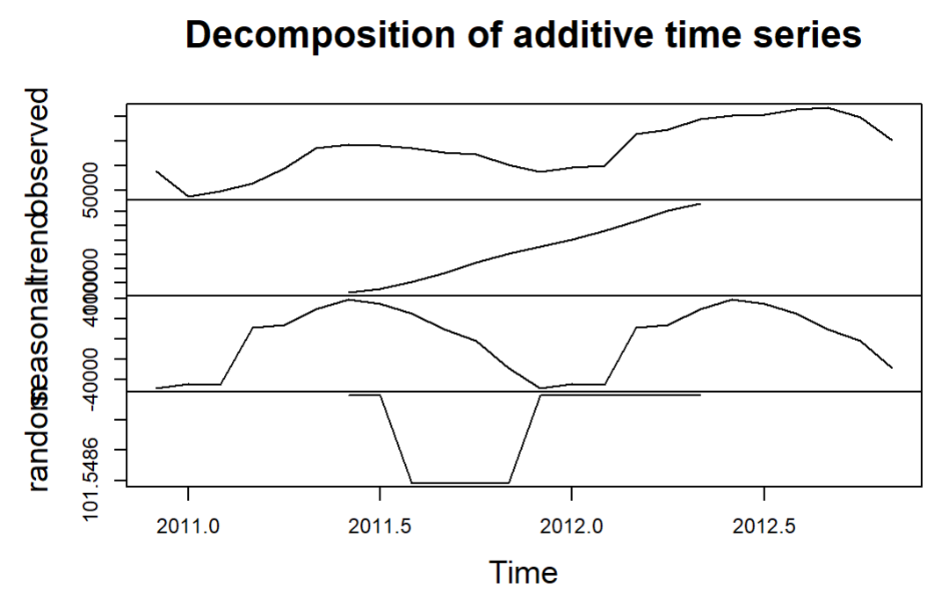
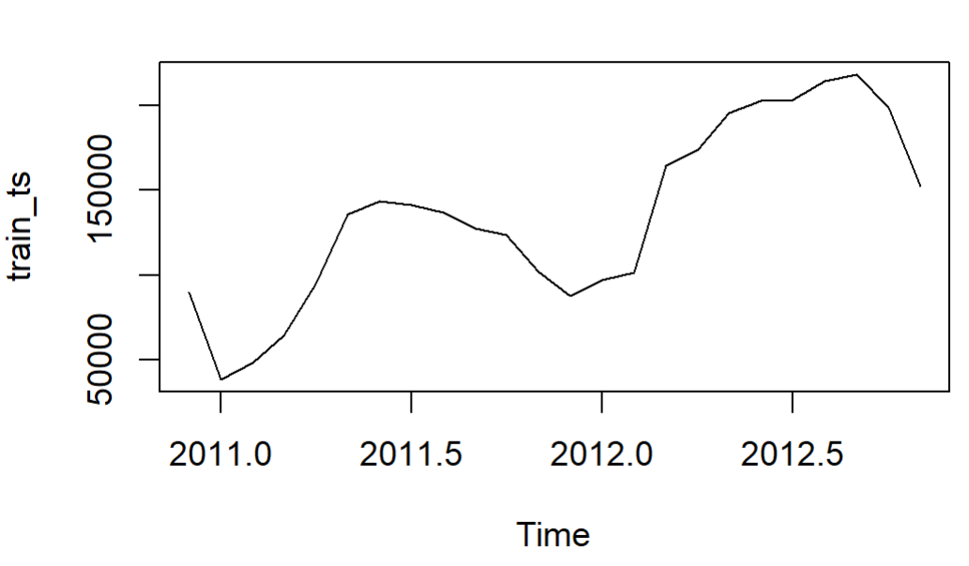
Test | P-Value | decision | Interpretation
Dickey Fuller | 0.1845 | Accept Ho | Data is not stationary
Mann-Kendall | 0.0000 | Accept Hi | Data have trend
Ljung-Box | 0.0000 | Accept Hi | there is auto regression

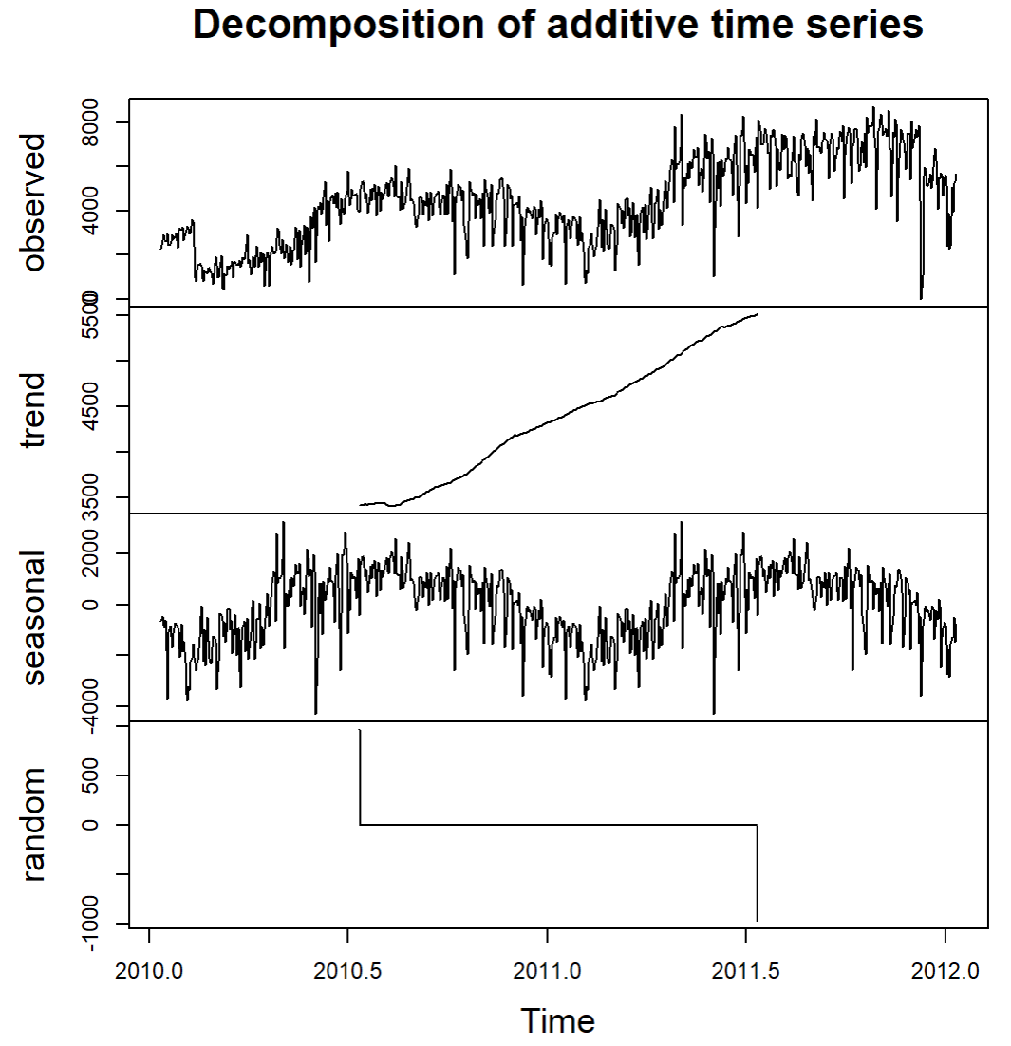
 |  |  |  | ARIMA (2,1,3)
 |  |  |  | MAPE | 109%

 |  |  |  |  |  | Test | P-Value | decision | Interpretation
 |  |  |  |  |  | Dickey Fuller | 0.1833 | Accept Ho | time serie non stationary
 |  |  |  |  |  | Mann-Kendall | 0.0001 | Accept Hi | time series have trend
 |  |  |  |  |  | Ljung-Box | 0.0001 | Accept Ho | There is not auto correlation

 |  |  |  |  |  | Model: | R | P | MAPE | MSE
 |  |  |  |  |  | ARIMA(2,0,0) | 123,713 | 119,846 | 3.13% | 14,952,916
 |  |  |  |  |  | ETS(A,N,N) | 123,713 | 152,669 | 23.41% | 838,426,771
 |  |  |  |  |  | lm(Y ~ X) | 123,713 | 211,514 | 70.97% | 7,709,015,601
 |  |  |  |  |  | Random Forest (ntree = 20) | 123,713 | 167,738 | 35.59% | 1,938,218,235

